Key Messages
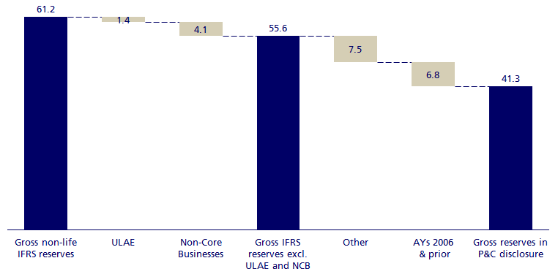
ZURICH PROPERTY & CASUALTY RESERVE DISCLOSURE 2016

1. Key messages

Reserve strength | We are confident in our approach and the strength of our reserves

Using the data | Data can be used for high-level assessment, when accounting for data features

Refreshed triangles | 10-year triangles have been updated for FX and other movements in 2016

Regional view | Data do not include centrally held reserves

Treatment of Ogden | Ogden reserves posted at FY-16 are reflected within EMEA IBNR; offsetting releases from centrally held reserves and increases in Non-Core are outside of the scope of the disclosure

2. Key features in the data

North America auto & property | Claims system conversion distorts 2011 and prior diagonals

Europe auto | Experience of older years is not always a good indicator of future development

Liability | Chain ladder can overstate recent accident year projections

Workers compensation | Tail factors require extrapolation of the triangle or use of external data

For more information on data features, please refer to pages 15-22 of presentation accompanying the 2015 edition Zurich Non-Life Reserve Disclosure, available at:
https://www.zurich.com/en/investor-relations/results-and-reports

3. Reconciliation of disclosed reserves to IFRS reserves, FY-16 (USDbn)

