1 Our targets - highlights
Go to Index
 | Our targets and ambitions

 | Investment management

 | Reduction of financed emissions

 | Reduce emissions intensity of listed equity and corporate bond investments (metric tons CO2e/USD million invested) (compared to 2019) |  | Reduce emissions intensity of direct real estate investments (kgCO2e/m2) (compared to 2019)

 | 2023 Progress | 43% | 2022 Progress | 25%
 | 2025 Target | 25% | 2025 Target | 30%

 | Engagement |  | Impact engagement

 | Engage companies producing 65% of portfolio emissions and lacking targets aligned with Paris Agreement (PA) |  | Share a total invested assets in impact investments

 | 2023 Progress | 60% | 2023 Progress | 4.6%
 | 2025 Target | 65% | 2025 Target | 5.0%

 | Underwriting |  | Our people

 | Revenues from sustainable solutions (in USDm) |  | Internal hires2

Increase

 | 2022 Progress | 801 | 2022 Progress | 71.2%
 | 2023 Progress | 1360 | 2023 Progress | 73.4%
 | 2025 Target | 0 | 2025 Target | 0%
 | Own operations and supply chain

 | Absolute reduction in all operational emissions (compared to 2019)3,4 |  | Reduction of scope 1 and 2 emissions (compared to 2019)3

 | 2023 Progress | 66% | 2023 Progress | 57%
 | 2025 Target | 60% | 2025 Target | 62%

 | Reduction of scope 3 emissions3,4 (compared to 2019) |  | % of MPS4 that is with suppliers having science-based targets6,7

 | 2023 Progress | 70% | 2023 Progress | 52%
 | 2025 Target | 60% | 2025 Target | 75%

 | 1 See pages 206 to 207 of the Appendix for more detail on our targets and ambitions.
 | 2 As of 2023, we included Farmers Group, Inc. and Cover-More and have evolved the definition of this metric to include internal career opportunities generated for entry-level roles (career level A), international moves, re-hires, and changes in employment types from temporary to permanent. Entry-level roles (career level A) remain excluded from ‘external hires’ as these positions are, by nature, filled by external career starters.
 | 3 Cover-More, Farmers Group, Inc. and its subsidiaries, joint ventures and third party vendors are out of scope.
 | 4 Resulting from air, rental and rail business travel, employee commuting, strategic data centers, printed paper and waste, as well as indirect energy impact.
 | 5 Managed procurement spend (MPS) means the spend of approximately USD 2 billion annually managed centrally by Zurich’s Procurement and Vendor Management function on goods and services that are required to enable Zurich to maintain and develop its operations.
 | 6 According to the 2022 baseline of managed procurement spend (MPS), excluding suppliers no longer active in the year of reporting.
 | 7 We consider a supplier to have science-based targets when their emission reduction targets are approved by the SBTi, a similar scientifically accredited body or otherwise require a reduction of at least 42 percent in scope 1 and 2 emissions.

4 NatCat modeling
Go to Index
 |  | Natural catastrophe modeling: current exposure to physical risk

 |  | Annual Expected Loss |  |  |  | Probable Maximum Loss |  |  |  |  | Probable Maximum Loss

2022
2021
2022
2021
2022
2021
 | SR: Figure 10 | Annual Expected Loss for top five peril regions¹ |  |  | SR: Figure 11 | Swiss Solvency Test (SST) by risk type and climate-related perils as proportion of natural catastrophe total SST |  |  |  | SR: Figure 12 | Probable maximum loss by top three peril regions1 |  |  |  |  | SR: Table 3 | Total amount of net losses1
 |  | in USD millions |  |  |  |  |  |  |  |  | in USD millions
 |  |  |  |  |  | SST total risk capital contribution by risk type |  | Climate-related perils as a fraction of nat cat
 |  |  |  |  |  |  |  | SST total risk capital¹ |  |  |  |  |  |  |  |  | Event name (by event and region) | Total net losses in USDm (2023)
 |  |  |  |  |  |  |  |  |  |  |  |  |  |  |  |  | European hail events (hail, Europe) | 310
 |  |  |  |  |  |  |  |  |  |  |  |  |  |  |  |  | Total | 310

 |  |  |  |  |  |  |  |  |  |  |  |  |  |  |  |  | 1 Only events above USD 200 million are reported.

 |  |  |  |  |  | ● Market risk | 54% | ● North America hurricane | 36% |  | ● 50 Year ● 100 Year
 |  |  | 2023 | 2022 |  | ● Premium & reserve risk | 26% | ● Europe wind | 8%
 |  | CB, MX and U.S.2 hurricane | 217 | 189 |  | ● Business risk | 7% | ● Europe flood | 3% |  | Peril Region | 2023 | 2023 | 2022 | 2022
 |  | U.S. Severe convective storm (hail and tornado) | 216 | 200 |  | ● Natural catastrophe risk | 6% | ● Other climate-related | 2% |  |  | 50 year | 100 year | 50 year | 100 year
 |  | EU wind | 168 | 143 |  | ● Life insurance risk | 5% | ● Non-climate related | 52% |  | Caribbean, Mexico and U.S.2 hurricane | 1,091 | 1,386 | 1,008 | 1,319
 |  | Central EU hail3 | 112 | 152 |  | ● Other credit risk | 2% |  |  |  | Europe wind | 812 | 1,000 | 720 | 898
 |  | EU flood | 104 | 97 |  |  |  |  |  |  | Europe flood | 573 | 659 | 523 | 604

 |  | 1 AEL excludes Farmers Re’s participation in the Farmers Exchanges’ all lines quota share treaty of 10 percent as of 31 December, 2023. This treaty contributes to Zurich Group’s AEL for U.S. severe convective storm with USD 112 million and for U.S. hurricane with USD 19 million. |  |  |  | 1 The natural catastrophe SST total risk capital is defined by the 1 percent worst annual losses. These are driven by peril regions with large potential losses beyond the 100-year return period (e.g. North America hurricane). |  |  |  |  | 1 PML excludes Farmers Re’s participation in the Farmers Exchanges’ all lines quota share treaty of 10 percent as of 31 December, 2023. This treaty increased Zurich Group’s PML for US hurricane by USD 94 million for the 50-year PML and by USD 112 million for the 100-year PML.
 |  | 2 The hurricane model was enhanced since the last reporting leading to about 20 percent higher gross AEL. 2023 is reported based on the enhanced hurricane model and therefore reflects the model change in addition to exposure, reinsurance and exchange rate changes. The geographic scope includes correlated exposure in the Caribbean (CB) and Mexico (MX). The AEL for U.S. hurricane only is USD 203 million in 2023. |  |  |  |  |  |  |  |  | 2 The hurricane model was enhanced since the last reporting leading to higher 50- and 100-year PMLs. Both 2022 and 2023 exposures are reported based on the new model. 2023 is reported based on the enhanced hurricane model and therefore reflects the model change in addition to exposure, reinsurance and exchange rate changes.
 |  | 3 The central EU hail model was enhanced since the last reporting leading to about 27 percent lower AEL. 2023 is reported based on the enhanced central EU hail model and therefore reflects the model change in addition to exposure, reinsurance and exchange rate changes.

6 Engagement for the transition
Go to Index
 | Engagement for the transition

SR: Table 4 | Engagement progress

 |  | 2023 | 2022
 | Engagement started | 60% | 54%
 | Engagement not started | 5% | 11%
 | = Target | 65% | 65%
 | Started engagements undertaken…
 | Collectively | 25% | 25%
 | Bilaterally | 34% | 29%
 | ...with outcome
 | Failed1 | 16% | 16%
 | Ongoing2 | 24% | 21%
 | Succeeded3 | 20% | 18%

 | Note: All % corresponding to % of financed emissions in 2019 (baseline) without net-zero targets, cumulative progress since 31.12.2019.
 | 1 Engagement considered as failed under the thermal coal, oil sands and oil shale policy if it became clear the company would neither move under the 30 percent threshold nor set net-zero targets and was hence excluded; or that a company approached under the net-zero program refuses to set science-based net-zero targets.
 | 2 Engagement considered as ongoing includes when a first contact is established with the company to engage in a meaningful conversation.
 | 3 Engagement considered as succeeded if a company has publicly committed to science-based net-zero targets (under SBTi) or an equivalent scientific verification body, referring to Zurich only as a contributor to the outcome.

SR: Figure 20 | Engagement progress for top 10 emitters without science-based targets (SBTs)1
 | Financed emissions %

 | ● Succeeded – target set ● Succeeded – target committed ● Failed – excluded (thermal coal)2 ● Ongoing – collective ● Ongoing – billateral

 | Top 10 Emitters | % of emissions w/o target
 | Company 1 | 6.1
 | Company 2 | 4.7
 | Company 3 | 3.2
 | Company 4 | 3.0
 | Company 5 | 2.2
 | Company 6 | 1.7
 | Company 7 | 1.5
 | Company 8 | 1.4
 | Company 9 | 1.4
 | Company 10 | 1.2

 | 1 Company grouping according to our proprietary methodology, which considers ownership and operational control structures (corresponding to financed emissions in 2019 (baseline data)).
 | 2 Failed engagement under thermal coal program means the company was added to the restricted list and hence equity exposure was divested and credit exposure put in run-off.

SR: Figure 21 | Top 10 emitters without science-based targets (SBTs) by sector and region1

 | Top 10 emissions by sector |  |  | Top 10 emitters by region

 | ● Utility | 68% |  | ● EMEA | 49%
 | ● Metal and mining | 12% |  | ● Americas | 5%
 | ● Governement owned, no guarantee | 14% |  | ● APAC | 46%
 | ● Energy | 6%

 | 1 Corresponding to financed emissions in 2019 (baseline data).

8 Proxy voting
Go to Index
SR: Figure 23 | Proxy voting

 | Our voting activities |  | Our voting behavior

 | ● Votes cast | 86% | ● Voted with management | 74%
 | ● No votes cast | 14% | ● Voted against management | 12%
 |  |  | ● No votes cast | 14%

9 Impact investing
Go to Index
 | Impact investing

SR: Figure 24 | Impact metrics

 | 4.5 million metric tons CO2e emissions avoided |  |  | 4.6 million people benefited by positive contribution to the lives and livelihoods

 | ● Green, Social and Sustainability bonds | 86.0% |  | ● Green, Social and Sustainability bonds |  |  | 53.7%
 | ● Impact private equity | 10.8% |  | ● Impact private equity |  |  | 45.7%
 | ● Impact infrastructure private debt | 3.2% |  | ● Impact infrastructure private debt |  |  | 0.7%

SR: Table 13 | Impact investing portfolio

 |  | 2023 | 2022 | Change (2023 to 2022) | 2021 | 2020 | 2019
 | Total amount of impact investments (USD millions) | 7,882 | 6,328 | 25% | 7,037 | 5,770 | 4,555
 | Total amount of impact investments - environmental share | 73% | 73% | NA | 73% | 77% | 80%
 | Total amount of impact investments - social share | 27% | 27% | NA | 27% | 23% | 20%
 | Green, social & sustainability bonds (USD millions) | 6,857 | 5,247 | 31% | 5,846 | 4,677 | 3,645
 | Impact private equity (USD millions) | 216 | 213 | 1% | 211 | 189 | 163
 | Impact infrastructure private debt (USD millions) | 808 | 867 | -7% | 980 | 904 | 747

11 Sustainable revenues
Go to Index
 | Revenues from sustainable solutions

SR: Figure 25 | Revenues from sustainable solutions split by region & sustainable category |  |  |  |  |  |  | SR: Figure 26 | Revenues from sustainable solutions by product category
 | In USD millions |  |  |  |  |  |  |  | In USD millions

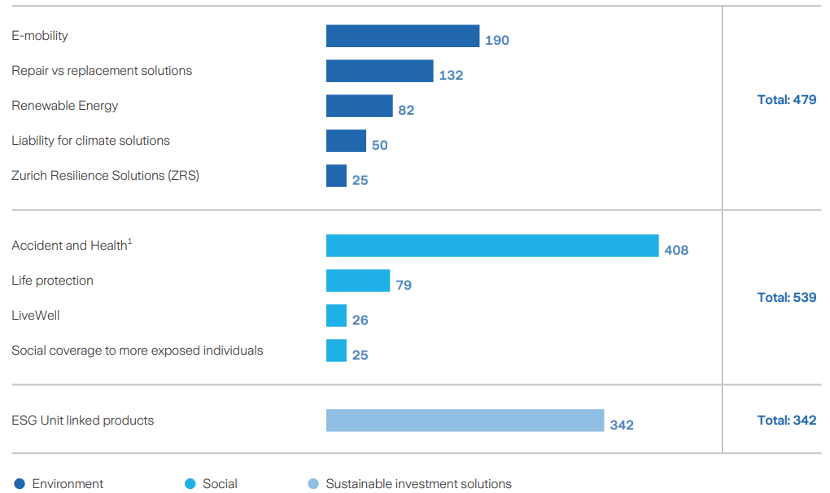

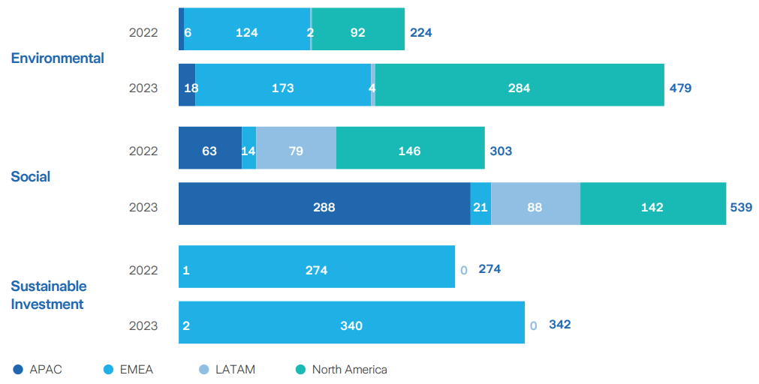

 | Source | Year | APAC | EMEA | LATAM | North America | Total |  |  | Sustainable Investment | Social | Environmental
 | Environmental | 2022 | 6 | 124 | 2 | 92 | 224 |  | E - mobility |  |  | 190
 | Environmental | 2023 | 18 | 173 | 4 | 284 | 479 |  | Repair vs replacement solutions |  |  | 132
 | Social | 2022 | 63 | 14 | 79 | 146 | 303 |  | Renewable Energy |  |  | 82
 | Social | 2023 | 288 | 21 | 88 | 142 | 539 |  | Liability for Climate solutions |  |  | 50
 | Sustainable Investment | 2022 | 1 | 273 | 0 | 0 | 274 |  | Zurich Resilience Solutions (including Climate Change Resilience Services) |  |  | 25
 | Sustainable Investment | 2023 | 2 | 340 | 0 | 0 | 342 |  | Accident and Heatlh |  | 408
 |  |  |  |  |  |  |  |  | Life protection |  | 79
 |  |  |  |  |  |  |  |  | LiveWell |  | 26
 |  |  |  |  |  |  |  |  | Social coverage to more exposed individuals |  | 25
 |  |  |  |  |  |  |  |  | ESG Unit linked products | 342
 |  |  |  |  |  |  |  |  | Total | 342 | 539 | 479

Cover - Notice


Sustainability Reporting - Data Pack

The statements in this document have been produced with professional diligence and at the best of our knowledge and belief and based on assumptions and information prevailing at a certain time. They are prepared for and have to be read in conjunction with the Sustainability Report contained in the Annual Report of Zurich Insurance Group 2023. Zurich Insurance Group Ltd does not assume liability for the accuracy and completeness of the SR-2023-data, which is made available for convenience purposes. Contact person: Head of Sustainabilty Reporting Kerstin Torgler (kerstin.torgler@zurich.com)

Zurich Insurance Group Ltd
Corporate Center
Mythenquai 2
8002 Zurich
Switzerland

